Sheet1
w | 1 | 1 | 1 | 1 | 0
x | 1 | 1 | 1 | 0 | 1
y | 1 | 1 | 0 | 1 | 1
z | 1 | 0 | 1 | 1 | 1

 | input | old | lambda | error | new
 | -1 | 0.1 | 0.1 | -1.4 | 0.24
 | -1 | 0.2 | 0.1 | -1.4 | 0.34
 | 1 | 0.3 | 0.1 | -1.4 | 0.16
 | 1 | 0.4 | 0.1 | -1.4 | 0.26

 | input | new | lambda | error | new
 | 1 | 0.24 | 0.1 | -1.16 | 0.1 | w
 | 1 | 0.34 | 0.1 | -1.16 | 0.2 | x
 | -1 | 0.16 | 0.1 | -1.16 | 0.3 | y
 | -1 | 0.26 | 0.1 | -1.16 | 0.4 | z

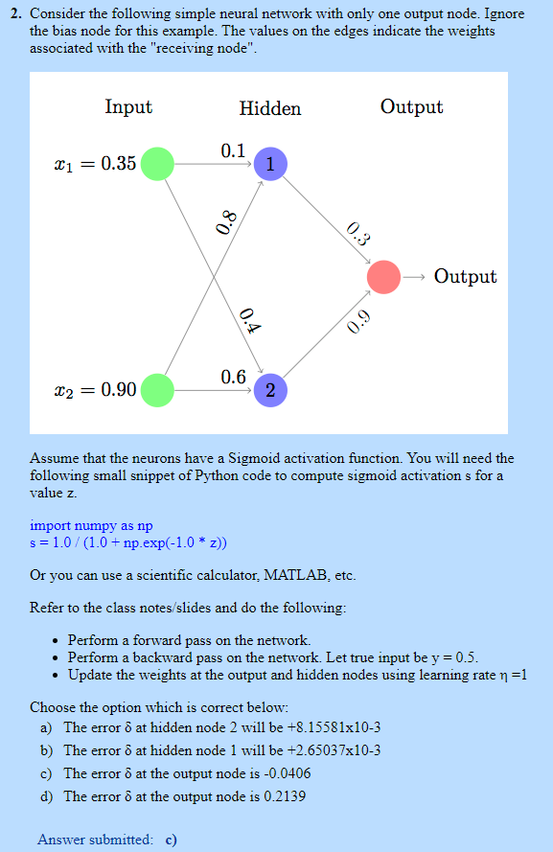
 | Input | weights1 | weights2 | z1
 | 0.35 | 0.1 | 0.4 | 0.755
 | 0.9 | 0.8 | 0.6 | 0.68

 | Input | Hidden node 1 | Hidden node 2
 | 0.35 | 0.1 | 0.4
 | 0.9 | 0.8 | 0.6
 | net | 0.755 | 0.68
 | Z | 0.6802671967 | 0.6637386974
 | Weights | 0.3 | 0.9
 | net 0 | 0.80144498667
 | O | 0.69028349291
 | Actual O | 0.5
 | Error O | -0.19028349291
 | Delta O | -0.040681125112
 | Learning Rate | 1
 | New weights | 0.27232596506 | 0.87299836301

 | Hidden Unit
 | Delta j | -0.0026091920772 | -0.0078275762317
 | new Hidden W | 0.099086782773 | 0.39908678277
 |  | 0.79765172713 | 0.59765172713

